GSS - Assignment 2 descriptions
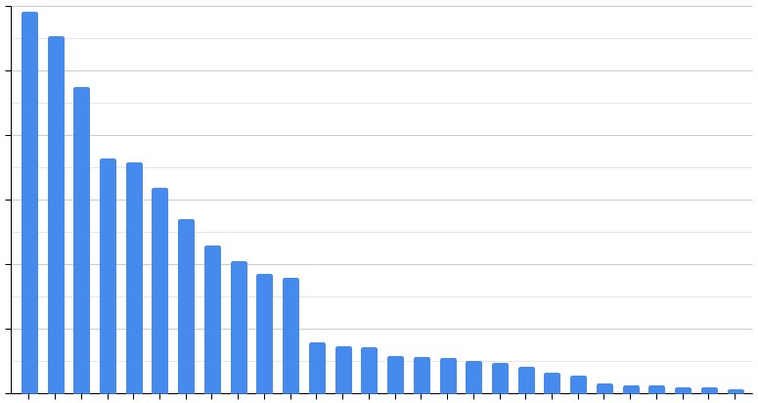
GSS - Assignment 2

Let's visualize popular language data. But this time in Google Sheets!
First, you have to import the related data with IMPORTRANGE() from the spreadsheet of which the link is "https://docs.google.com/spreadsheets/d/1CV26C6hAFoNo0dIUngAjDBACOSkIIdkWtINmjqf5TYU/edit#gid=1148160592", the sheet name is "programing_languages" and, the range is "B1:B10001". You should import the data into a new Spreadsheet (create your own). Then use some functions to prepare data for getting the chart above (x-axis = language names, y-axis = their counts).
The dataset has more than 10K rows but we only use the first 10K rows because it may force the limits of both your computer and Google Sheets. If you want to work with complete data, you can extend your range to "B1:B87570".
When you finish your study, please submit the Google Sheets file link to your answer. (Do not forget to give appropriate permissions)

